Bug report
Defect id | Date | Status | Created by | Severity | Title | Description | Steps to reproduce | Expected result | Actual result | Environment | Notes | Screens
BUG001 | 2024-07-01 | New | Maria | Major | Incorrect error message displayed "User ID is invalid, when password field is left blank in "Login form" | When logging in with an empty password field, the error message "User ID is invalid" is displayed, instead of indicating that the password field is empty. | 1. Open the website https://demo.guru99.com/V1/index.php. 2. In the login form, enter a valid User ID. 3. Leave the password field blank. 4. Press the "Login" button. | An error message should be displayed indicating that the password is required, such as "User name or password is incorrect" | The error message is "User ID is invalid" displayed, and there is no indication that the password field is empty. | MacBook version 14.1, Iphone12, version iSO 17.5.1 | The issue reproduces in all browsers (Chrome Version 126.0.6478.127 (Official Build) (x86_64), Safari, Version 17.1 (19616.2.9.11.7)).
BUG002 | 2024-07-01 | New | Maria | Major | Incorrect password error message displayed "User ID is invalid, when entering an invalid password in "Login form" | When logging in with an incorrect password in the "Login form", the error message "User ID is invalid" is displayed, instead of indicating that the password is invalid. | 1. Open the website https://demo.guru99.com/V1/index.php. 2. In the login form, enter a valid User ID. 3. Enter an incorrect password. 4. Press the "Login" button. | An error message should be displayed indicating, such as "User name or password is incorrect" | The error message "User ID is invalid" is displayed, but there is no indication that the password is invalid. | MacBook version 14.1, Iphone12, version iSO 17.5.1 | The issue reproduces in all browsers (Chrome Version 126.0.6478.127 (Official Build) (x86_64), Safari, Version 17.1 (19616.2.9.11.7)).
BUG003 | 2024-07-01 | New | Maria | Major | No character limit for password field, when password length is excessive, incorrect error message displayed in "Login form" | The system does not require a character limit for the password field in the "login form". When a password with an excessive number of characters is entered, the system does not display a correct error message indicating the character limit for the password. | 1. Open the website https://demo.guru99.com/V1/index.php. 2. In the login form, enter a valid User ID. 3. Enter a password with an excessive number of characters (e.g., 30+ characters). 4. Press the "Login" button. | An error message should be displayed indicating that there is a character limit for the password, such as "Password must be at least 8 characters long" | The error message "User ID is invalid" is displayed,and there is no indication that the password length is excessive. | MacBook version 14.1, Iphone12, version iSO 17.5.1 | The issue reproduces in all browsers (Chrome Version 126.0.6478.127 (Official Build) (x86_64), Safari, Version 17.1 (19616.2.9.11.7)).
BUG004 | 2024-07-01 | New | Maria | Major | Missing "Confirm Password" field during registration in "Login form" | In "Login form" is missing a "Confirm Password" field. This field is essential to ensure that users correctly enter their password and avoid any typographical errors. | 1. Open the website https://demo.guru99.com/V1/index.php. 2. Navigate to the the login form and password form. 3. Check the form fields available for entering user details. | The form should include a "Confirm Password" field to ensure that users correctly enter their password. | The "Confirm Password" field is missing from the form, allowing users to register without verifying their password. | MacBook version 14.1, Iphone12, version iSO 17.5.1 | The issue reproduces in all browsers (Chrome Version 126.0.6478.127 (Official Build) (x86_64), Safari, Version 17.1 (19616.2.9.11.7)).
BUG005 | 2024-07-01 | New | Maria | Major | Spaces in password field not handled correctly and incorrect error message displayed in "Login form" | The system does not handle spaces in the password field correctly. When a password containing spaces is entered, the system displays an incorrect error message stating "User ID is invalid" instead of informing the user that spaces are not allowed in the password. | 1. Open the website https://demo.guru99.com/V1/index.php. 2. In the login form, enter a valid User ID. 3. Enter a password containing spaces. 4. Press the "Login" button. | An error message should be displayed indicating that spaces are not allowed in the password, such as "Password cannot contain spaces." | The error message "User ID is invalid" is displayed, without mentioning that spaces in the password are not allowed. | MacBook version 14.1, Iphone12, version iSO 17.5.1 | The issue reproduces in all browsers (Chrome Version 126.0.6478.127 (Official Build) (x86_64), Safari, Version 17.1 (19616.2.9.11.7)).
BUG006 | 2024-07-01 | New | Maria | Blocker | Error when adding a new customer on the main page - "Connection failed: Access denied for user 'root'@'localhost' (using password: NO)" | When adding a new customer on the main page, after entering all required information and pressing the "Submit" button, an error message is displayed: "Connection failed: Access denied for user 'root'@'localhost' (using password: NO)." | 1. Open the website https://demo.guru99.com/. 2. Navigate to the new customer on registration page. 3. Enter all the required information to create a new customer. 4. Press the "Submit" or "Register" button. | Expected Result: The new customer is successfully created, and a success message is displayed. | An error message "Connection failed: Access denied for user 'root'@'localhost' (using password: NO)" appears. | MacBook version 14.1, Iphone12, version iSO 17.5.1 | The issue reproduces in all browsers (Chrome Version 126.0.6478.127 (Official Build) (x86_64), Safari, Version 17.1 (19616.2.9.11.7)).
BUG007 | 2024-07-01 | New | Maria | Minor | Menu item not highlighted on selection on the main page. | When selecting a menu item on the main page, it doesnt highlight . The menu item remains visually unchanged. | 1. Open the website https://demo.guru99.com/V1/index.php. 2. Navigate to the main menu. 3. Press on any menu item (e.g., "Manager", "New Customer"). | The selected menu item should be highlighted with a background color to indicate it is active. | The selected menu item is not highlighted; it remains the same as unselected items. | MacBook version 14.1, Iphone12, version iSO 17.5.1 | The issue reproduces in all browsers (Chrome Version 126.0.6478.127 (Official Build) (x86_64), Safari, Version 17.1 (19616.2.9.11.7)). | 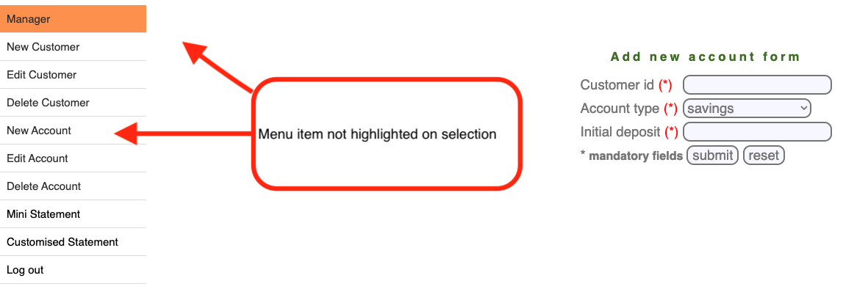
BUG008 | 2024-07-01 | New | Maria | Blocker | Error when editing customer ID on the main page - "Connection failed: Access denied for user 'root'@'localhost' (using password: NO)" | When editing customer ID - on the main page, after entering all required information and pressing the "Submit" button, an error message is displayed: "Connection failed: Access denied for user 'root'@'localhost' (using password: NO)." | 1. Open the website https://demo.guru99.com/V1/index.php. 2. Navigate to the "Edit Customer" form. 3. Enter a valid Customer ID. 4. Press the "Submit" button. | The customer details form should be displayed for editing. | An error message "Connection failed: Access denied for user 'root'@'localhost' (using password: NO)" appears. | MacBook version 14.1, Iphone12, version iSO 17.5.1 | The issue reproduces in all browsers (Chrome Version 126.0.6478.127 (Official Build) (x86_64), Safari, Version 17.1 (19616.2.9.11.7)).
BUG009 | 2024-07-01 | New | Maria | Blocker | Error when deleting customer on the main page - "Connection failed: Access denied for user 'root'@'localhost' (using password: NO)" | When deleting customer on the main page - after entering all required information and pressing the "Submit" button, an error message is displayed: "Connection failed: Access denied for user 'root'@'localhost' (using password: NO)" | 1. Open the website https://demo.guru99.com/V1/index.php. 2. Navigate to the "Delete Customer" form. 3. Enter a valid Customer ID. 4. Press the "Submit" button. | The customer should be deleted from the database, and a success message should be displayed. | An error message "Connection failed: Access denied for user 'root'@'localhost' (using password: NO)" appears. | MacBook version 14.1, Iphone12, version iSO 17.5.1 | The issue reproduces in all browsers (Chrome Version 126.0.6478.127 (Official Build) (x86_64), Safari, Version 17.1 (19616.2.9.11.7)).
BUG0010 | 2024-07-01 | New | Maria | Blocker | When adding a new account on the main page - "Connection failed: Access denied for user 'root'@'localhost' (using password: NO)" | When adding a new account on the main page - after entering all required information and pressing the "Submit" button, an error message is displayed: "Connection failed: Access denied for user 'root'@'localhost' (using password: NO)" | 1. Open the website https://demo.guru99.com/V1/index.php. 2. Navigate to the "New Account" form. 3. Enter all required information to create a new account. 4. Press the "Submit" button. | The new account should be created successfully, and a success message should be displayed. | An error message "Connection failed: Access denied for user 'root'@'localhost' (using password: NO)" appears. | MacBook version 14.1, Iphone12, version iSO 17.5.1 | The issue reproduces in all browsers (Chrome Version 126.0.6478.127 (Official Build) (x86_64), Safari, Version 17.1 (19616.2.9.11.7)).
BUG0011 | 2024-07-01 | New | Maria | Blocker | Error when editing account on the main page - "Connection failed: Access denied for user 'root'@'localhost' (using password: NO)" | When editing account on the main page - after entering all required information and pressing the "Submit" button, an error message is displayed: "Connection failed: Access denied for user 'root'@'localhost' (using password: NO)" | 1. Open the website https://demo.guru99.com/V1/index.php. 2. Log in with valid credentials. 3. Navigate to the "Edit Account" form. 4. Enter a valid Account ID. 5.Press the "Submit" button. | The account details form should be displayed for editing. | An error message "Connection failed: Access denied for user 'root'@'localhost' (using password: NO)" appears. | MacBook version 14.1, Iphone12, version iSO 17.5.1 | The issue reproduces in all browsers (Chrome Version 126.0.6478.127 (Official Build) (x86_64), Safari, Version 17.1 (19616.2.9.11.7)).
BUG0012 | 2024-07-01 | New | Maria | Blocker | Error when deleting account o the main page - "Connection failed: Access denied for user 'root'@'localhost' (using password: NO)" | When deleting account on the main page - after entering all required information and pressing the "Submit" button, an error message is displayed: "Connection failed: Access denied for user 'root'@'localhost' (using password: NO)" | 1. Open the website https://demo.guru99.com/V1/index.php. 2. Navigate to the "Delete Account" form. 3. Enter a valid Account ID. 4. Press the "Submit" button. | The account should be deleted from the database, and a success message should be displayed. | An error message "Connection failed: Access denied for user 'root'@'localhost' (using password: NO)" appears. | MacBook version 14.1, Iphone12, version iSO 17.5.1 | The issue reproduces in all browsers (Chrome Version 126.0.6478.127 (Official Build) (x86_64), Safari, Version 17.1 (19616.2.9.11.7)).
BUG0013 | 2024-07-01 | New | Maria | Blocker | Error in Mini Statement Form on the main page - "Connection failed: Access denied for user 'root'@'localhost' (using password: NO)" | When generating a mini statement using the Mini Statement Form on the main page, after entering all required information and pressing the "Submit" button, an error message is displayed: "Connection failed: Access denied for user 'root'@'localhost' (using password: NO)" | 1. Open the website https://demo.guru99.com/V1/index.php. 2. Navigate to the "Mini Statement" form. 3. Enter Account No. 4. Press the "Submit" button. | The mini statement form for the specified account should be displayed. | An error message "Connection failed: Access denied for user 'root'@'localhost' (using password: NO)" is displayed. | MacBook version 14.1, Iphone12, version iSO 17.5.1 | The issue reproduces in all browsers (Chrome Version 126.0.6478.127 (Official Build) (x86_64), Safari, Version 17.1 (19616.2.9.11.7)).
BUG0014 | 2024-07-01 | New | Maria | Blocker | Error in Customized Statement Form on the main page - "Connection failed: Access denied for user 'root'@'localhost' (using password: NO | When generating a customized statement using the Customized Statement Form on the main page, after entering all required information and pressing the "Submit" button, an error message is displayed: "Connection failed: Access denied for user 'root'@'localhost' (using password: NO)" | 1. Open the website https://demo.guru99.com/V1/index.php. 2. Navigate to the "Customized Statement" form. 3. Enter required details. 4. Press the "Submit" button. | The customized statement for the specified account should be displayed. | An error message "Connection failed: Access denied for user 'root'@'localhost' (using password: NO)" is displayed. Additionally, the main menu reappears unexpectedly. | MacBook version 14.1, Iphone12, version iSO 17.5.1 | The issue reproduces in all browsers (Chrome Version 126.0.6478.127 (Official Build) (x86_64), Safari, Version 17.1 (19616.2.9.11.7)). | 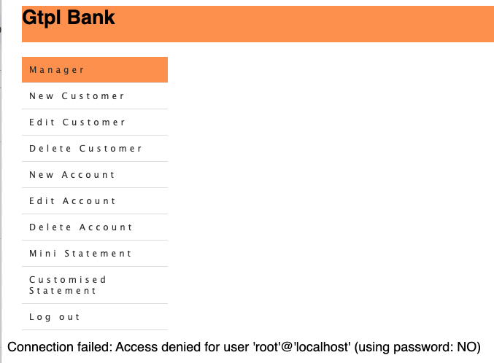
BUG0015 | 2024-07-01 | New | Maria | Minor | Date of Birth field allows more than 4 digits for the year in "New Customer" form. | When entering a date of Birth, field allows more than 4 digits for the year in Add New Customer form in new customer form. | 1. Open the website https://demo.guru99.com/V1/index.php. 2. Navigate to the "Add New Customer" form. 3. In the "Date of Birth" field, enter a date with more than 4 digits in the year part (e.g., 12/12/12345). 4. Press the button submit | The system should restrict the year part of the "Date of Birth" field to exactly 4 digits and display an error message if more digits are entered. | The "Date of Birth" field accepts more than 4 digits for the year, and no error message is displayed. | MacBook version 14.1, Iphone12, version iSO 17.5.1 | The issue reproduces in all browsers (Chrome Version 126.0.6478.127 (Official Build) (x86_64), Safari, Version 17.1 (19616.2.9.11.7)). | 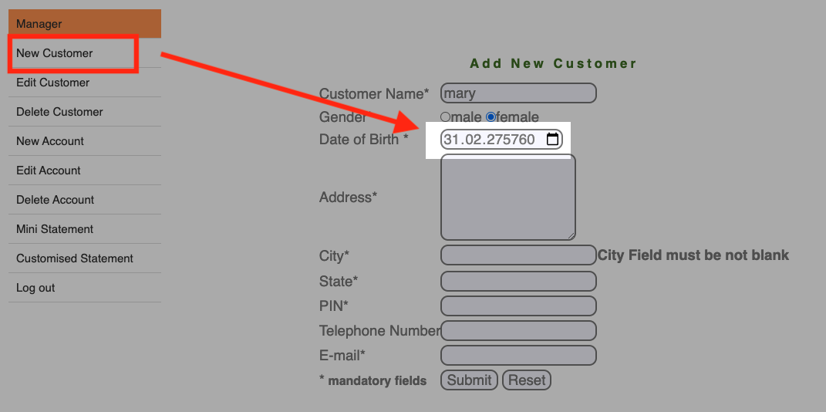
BUG0016 | 2024-07-01 | New | Maria | Minor | Lack of validation for unrealistic birth years (e.g., 1005) in the "Date of Birth" field in "New Customer" form. | When entering a date of Birth, there is lack of validation for unrealistic birth years (e.g., 1005) in the "Date of Birth" field | 1. Open the website https://demo.guru99.com/V1/index.php. 2. Navigate to the "Add New Customer" form. 3. Enter an unrealistic birth year such as "1005" in the "Date of Birth" field. 4. Press the button submit | The system should validate and display an error message indicating that the birth year is unrealistic or out of range. | The system accepts unrealistic birth years like "1005" without displaying any validation error. | MacBook version 14.1, Iphone12, version iSO 17.5.1 | The issue reproduces in all browsers (Chrome Version 126.0.6478.127 (Official Build) (x86_64), Safari, Version 17.1 (19616.2.9.11.7)). | 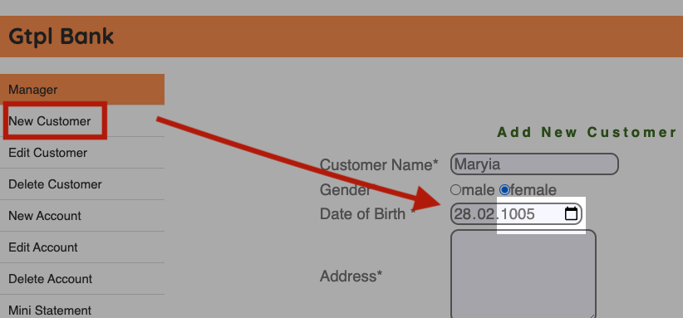
BUG0017 | 2024-07-01 | New | Maria | Minor | Incorrect error message when entering Russian characters in the "Customer Name" field in "New Customer" form. | When entering Russian characters in the "Customer Name" in "New Customer" form, the system incorrectly displays an error message stating "Numbers are not allowed." | 1. Open the website https://demo.guru99.com/V1/index.php. 2. Navigate to the "Add New Customer" form. 3. Enter Russian characters (e.g., "Иванов") in the "Customer Name" field. 4. Press the button submit | The system should display an error message indicating that only Latin characters are allowed in the "Customer Name" field. | The system displays an error message stating "Numbers are not allowed" when Russian characters are entered in the "Customer Name" field. | MacBook version 14.1, Iphone12, version iSO 17.5.1 | The issue reproduces in all browsers (Chrome Version 126.0.6478.127 (Official Build) (x86_64), Safari, Version 17.1 (19616.2.9.11.7)). | 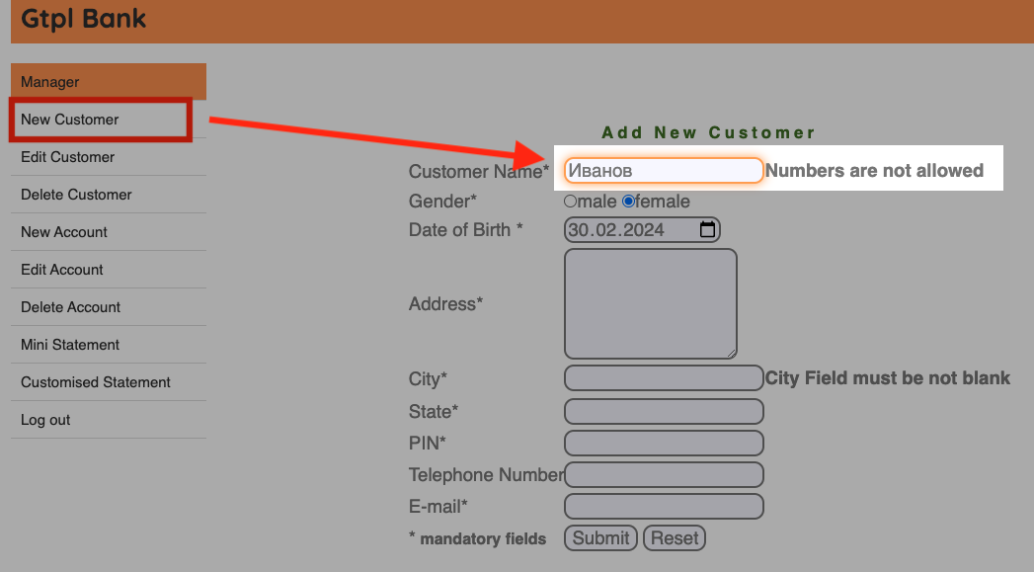
BUG0018 | 2024-07-01 | New | Maria | Major | Incorrect error message when entering spaces in the "Customer Name" field in "New Customer" form. | When entering spaces in the "Customer Name" in "New Customer" form, the system incorrectly displays an error message stating "Numbers are not allowed." | 1. Open the website https://demo.guru99.com/V1/index.php. 2. Navigate to the "Add New Customer" form. 3. Enter spaces in the "Customer Name" field. 4. Press the button submit | The system should accept names with spaces in the "Customer Name" field without displaying an error message related to numbers. | The system displays an error message stating "Numbers are not allowed" when spaces are entered in the "Customer Name" field. | MacBook version 14.1, Iphone12, version iSO 17.5.1 | The issue reproduces in all browsers (Chrome Version 126.0.6478.127 (Official Build) (x86_64), Safari, Version 17.1 (19616.2.9.11.7)). | 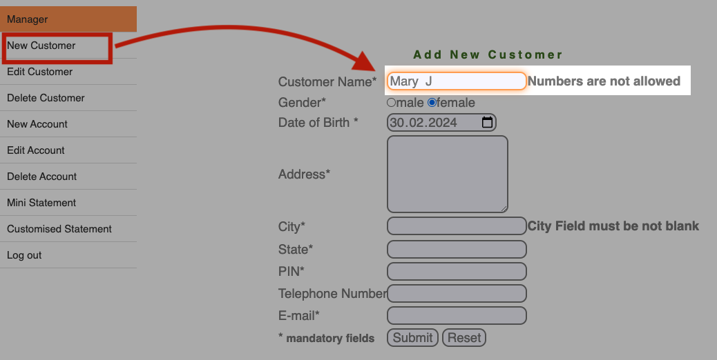
BUG0019 | 2024-07-01 | New | Maria | Major | The error message when entering compound names like "Anna-Maria" in the "Customer Name" field in "New Customer" form. | When entering compound names like "Anna-Maria" in the "Customer Name" field in "New Customer" form, the system incorrectly displays an error message stating "Numbers are not allowed." | 1. Open the website https://demo.guru99.com/V1/index.php. 2. Navigate to the "New Customer" form. 3. Enter a compound name such as "Anna-Maria" in the "Customer Name" field. 4. Press the button submit | The system should accept compound names like "Anna-Maria" in the "Customer Name" field without displaying an error message related to numbers. | The system displays an error message stating "Special characters are not allowed" when a compound name like "Anna-Maria" is entered in the "Customer Name" field. | MacBook version 14.1, Iphone12, version iSO 17.5.1 | The issue reproduces in all browsers (Chrome Version 126.0.6478.127 (Official Build) (x86_64), Safari, Version 17.1 (19616.2.9.11.7)). | 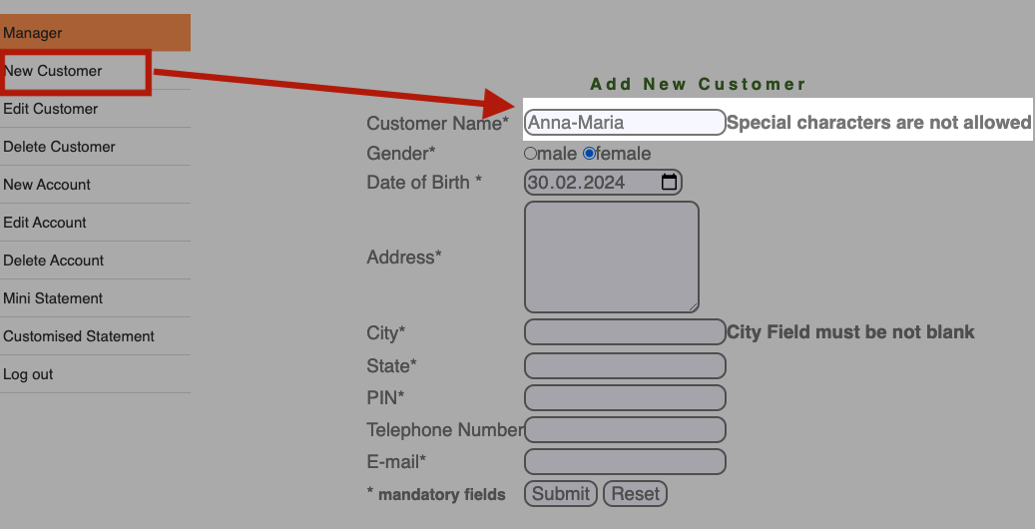
BUG0020 | 2024-07-01 | New | Maria | Minor | "Add New Customer" form does not validate the mandatory "Date of Birth" field in "New Customer" form. | When entering information into the "Add New Customer", the mandatory "Date of Birth" field is not validated. Users can submit the form without entering any date in the "Date of Birth" field, despite it being marked as mandatory. | 1. Open https://demo.guru99.com/V1/index.php. 2. Navigate to the "Add New Customer" form. 3. Leave the "Date of Birth" field empty. 4. Press the button submit | The system should display an error message indicating that the "Date of Birth" field is mandatory and must not be blank | The system allows submission without any validation error for the empty "Date of Birth" field. | MacBook version 14.1, Iphone12, version iSO 17.5.1 | The issue reproduces in all browsers (Chrome Version 126.0.6478.127 (Official Build) (x86_64), Safari, Version 17.1 (19616.2.9.11.7)). | 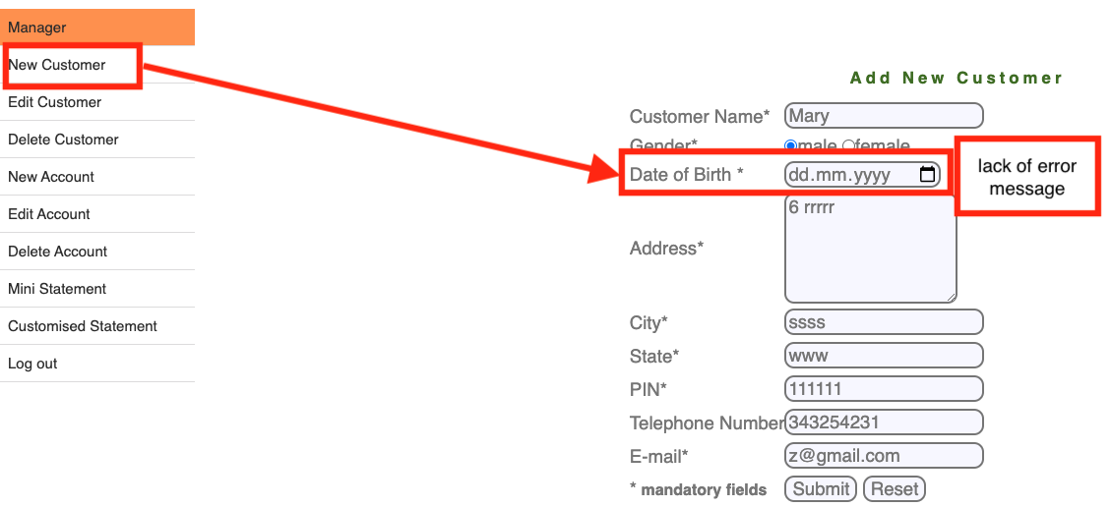
BUG0021 | 2024-07-01 | New | Maria | Minor | "Add New Customer" form allows future dates for Date of Birth in "New Customer" form. | When entering information into the "Add New Customer", the "Date of Birth" field allows future dates to be entered | 1. Open https://demo.guru99.com/V1/index.php. 2. Navigate to the "Add New Customer" form. 3. Enter a future date (e.g., any date in 2026) in the "Date of Birth" field. 4. Press the button submit | The system should display an error message indicating that the "Date of Birth" cannot be set to a future date. | The system accepts future dates in the "Date of Birth" field and allows submission without any validation error. | MacBook version 14.1, Iphone12, version iSO 17.5.1 | The issue reproduces in all browsers (Chrome Version 126.0.6478.127 (Official Build) (x86_64), Safari, Version 17.1 (19616.2.9.11.7)). | 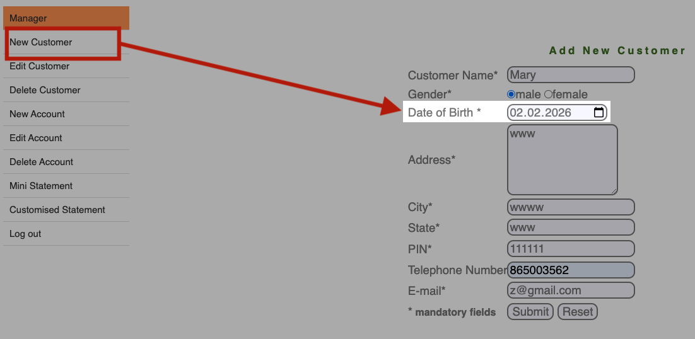
BUG0022 | 2024-07-01 | New | Maria | Minor | "Add New Customer" form does not validate the mandatory " Address" field in "New Customer" form. | When entering information into"Add New Customer", the mandatory "Address" field is not validated. Users are able to submit the form without entering any information into the "Address" field, despite it being marked as mandatory. | 1. Open to https://demo.guru99.com/V1/index.php. 2. Navigate to the "Add New Customer" form. 3. Leave the "New Customer Address" field empty. 4. Press the button submit | The system should display an error message indicating that the "New Customer Address" field is mandatory and must not be blank. | The system allows submission without any validation error for the empty "New Customer Address" field. | MacBook version 14.1, Iphone12, version iSO 17.5.1 | The issue reproduces in all browsers (Chrome Version 126.0.6478.127 (Official Build) (x86_64), Safari, Version 17.1 (19616.2.9.11.7)). | 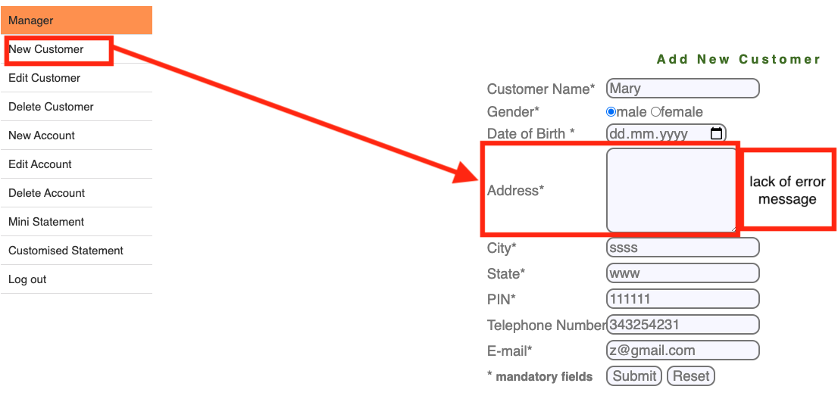
BUG0023 | 2024-07-01 | New | Maria | Minor | Incorrect error message when entering Russian characters in the "City" field in "New Customer" form. | When entering Russian characters into the "City" field, an incorrect error message is displayed. Instead of indicating that only Latin characters are allowed in the "City" field, the error message displays that numbers are not allowed. | 1. Open the website https://demo.guru99.com/V1/index.php. 2. Navigate to the "New Customer" form. 3. Enter Russian characters (e.g., "Минск") in the "City" field.. 4. Press the button submit | The system should display an error message indicating that only Latin characters are allowed in the "Customer Name" field. | The system displays an error message stating "Numbers are not allowed" when Russian characters are entered in the "City" field. | MacBook version 14.1, Iphone12, version iSO 17.5.1 | The issue reproduces in all browsers (Chrome Version 126.0.6478.127 (Official Build) (x86_64), Safari, Version 17.1 (19616.2.9.11.7)). | 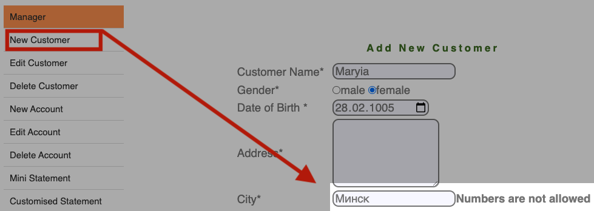
BUG0024 | 2024-07-01 | New | Maria | Minor | Incorrect error message when entering Russian characters in the "State" field in "New Customer" form. | When entering Russian characters into the "State" field in "New Customer" form, an incorrect error message is displayed. Instead of indicating that only Latin characters are allowed in the "State" field, the error message incorrectly states that numbers are not allowed. | 1. Open the website https://demo.guru99.com/V1/index.php. 2. Navigate to the " New Customer" form. 3. Enter Russian characters (e.g., "Беларусь") in the "State" field.. 4. Press the button submit | The system should display an error message indicating that only Latin characters are allowed in the "Customer Name" field. | The system displays an error message stating "Numbers are not allowed" when Russian characters are entered in the "State" field. | MacBook version 14.1, Iphone12, version iSO 17.5.1 | The issue reproduces in all browsers (Chrome Version 126.0.6478.127 (Official Build) (x86_64), Safari, Version 17.1 (19616.2.9.11.7)). | 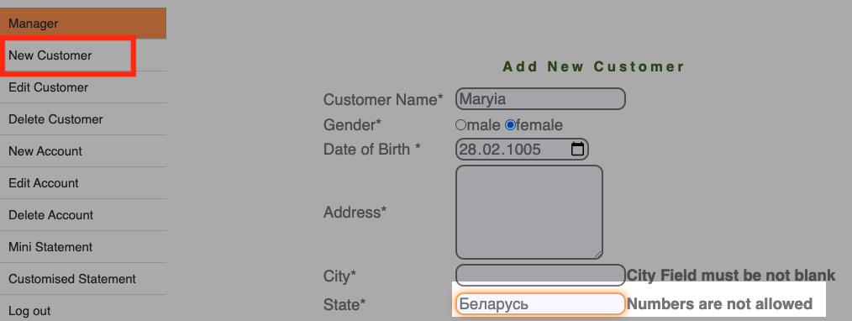
BUG0025 | 2024-07-01 | New | Maria | Minor | Incorrect error message when leaving the "Telephone Number" field blank in "New Customer" form. | When entering information into the "Add New Customer" form and leaving the "Telephone Number" field blank, the system incorrectly displays the error message "Please fill all fields," even though the field is not marked as mandatory. | 1. Open the website https://demo.guru99.com/V1/index.php. 2. Log in with your credentials. 3. Navigate to the "New Customer" form. 4. Leave the "Telephone Number" field blank. 5. Press the button submit | The system should allow submission without requiring the "Telephone Number" field to be filled since it is not marked as mandatory. | The system displays an error message stating "Please fill all fields" when the "Telephone Number" field is left blank, even though it is not mandatory. | MacBook version 14.1, Iphone12, version iSO 17.5.1 | The issue reproduces in all browsers (Chrome Version 126.0.6478.127 (Official Build) (x86_64), Safari, Version 17.1 (19616.2.9.11.7)). | 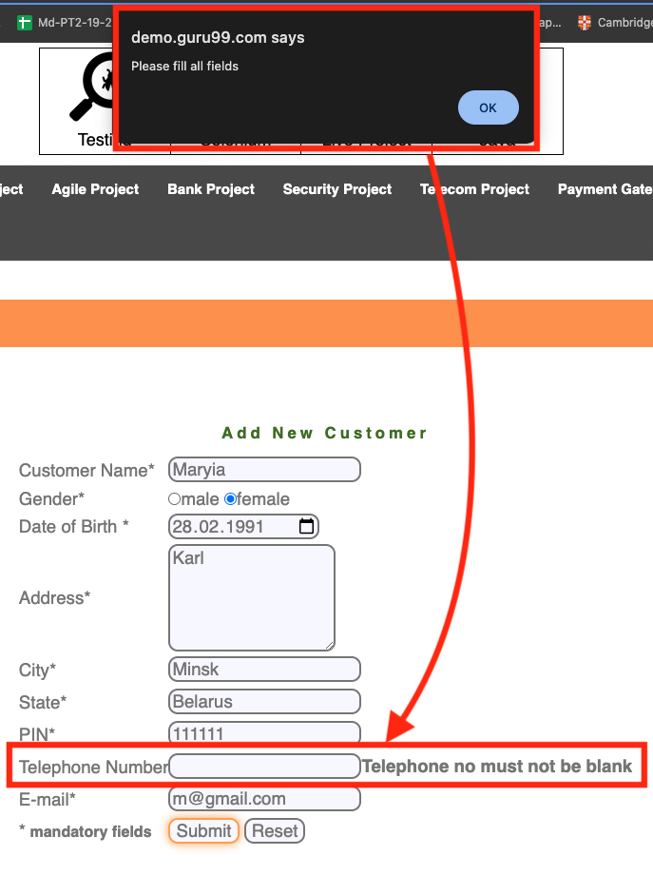
BUG0026 | 2024-07-01 | New | Maria | Minor | Absence of error message when "Customer ID" field is left blank in "New Customer" form. | When entering information into the "Add New Customer" and leaving the "Customer ID" field blank, the system fails to display an error message indicating that the field is mandatory. | 1. Open https://demo.guru99.com/V1/index.php. 2. Navigate to the "New Account" form. 3. Leave the "Customer ID" field blank. 4. Press the button submit | The system should display an error message indicating that the "Customer ID" field is required. | The system allows submission without enforcing the mandatory requirement for the "Customer ID" field. | MacBook version 14.1, Iphone12, version iSO 17.5.1 | The issue reproduces in all browsers (Chrome Version 126.0.6478.127 (Official Build) (x86_64), Safari, Version 17.1 (19616.2.9.11.7)).
BUG0027 | 2024-07-01 | New | Maria | Minor | Absence of error message when "Initial deposit" field is left blank the "New Account" form. | When entering information into the "Add New Customer" and leaving the "Initial deposit" field blank, the system fails to display an error message indicating that the field is mandatory. | 1. Open https://demo.guru99.com/V1/index.php. 2. Navigate to the "New Account" form. 3. Leave the "Initial deposit" field blank. 4. Press the button submit | The system should display an error message indicating that the "Initial deposit" field is required. | The system allows submission without enforcing the mandatory requirement for "Initial deposit". | MacBook version 14.1, Iphone12, version iSO 17.5.1 | The issue reproduces in all browsers (Chrome Version 126.0.6478.127 (Official Build) (x86_64), Safari, Version 17.1 (19616.2.9.11.7)).
BUG0028 | 2024-07-01 | New | Maria | Minor | Lack of validation error for letters and special characters in "Initial deposit" field in the "New Account" form. | When entering letters or special characters into the "Initial deposit" field in the "New Account" form, the system does not display a validation error indicating that only numeric values should be entered. | 1. Open https://demo.guru99.com/V1/index.php. 2. Navigate to the " New Account" form. 3. Enter letters or special characters in the "Initial deposit" field. 4. Press the button submit | The system should display an error message indicating that only numeric values are allowed in the "Initial deposit" field. | The system allows submission without validating for letters or special characters in the "Initial deposit" field. | MacBook version 14.1, Iphone12, version iSO 17.5.1 | The issue reproduces in all browsers (Chrome Version 126.0.6478.127 (Official Build) (x86_64), Safari, Version 17.1 (19616.2.9.11.7)).
BUG0029 | 2024-07-01 | New | Maria | Minor | Incorrect date validation in "Customized Statement Form" when "From Date" is greater than "To Date" | When entering dates in the "Customized Statement Form", if the "From Date" is set to a date later than the "To Date," the system does not display the correct validation error. | 1. Open https://demo.guru99.com/V1/index.php. 2. Navigate to the "Customized Statement Form". 3. Enter a "From Date" that is later than the "To Date". 4. Press the button submit | The system should display an error message indicating that the "From Date" must be earlier than the "To Date". | The system allows submission without validating the date range, leading to potential data errors. | MacBook version 14.1, Iphone12, version iSO 17.5.1 | The issue reproduces in all browsers (Chrome Version 126.0.6478.127 (Official Build) (x86_64), Safari, Version 17.1 (19616.2.9.11.7)). | 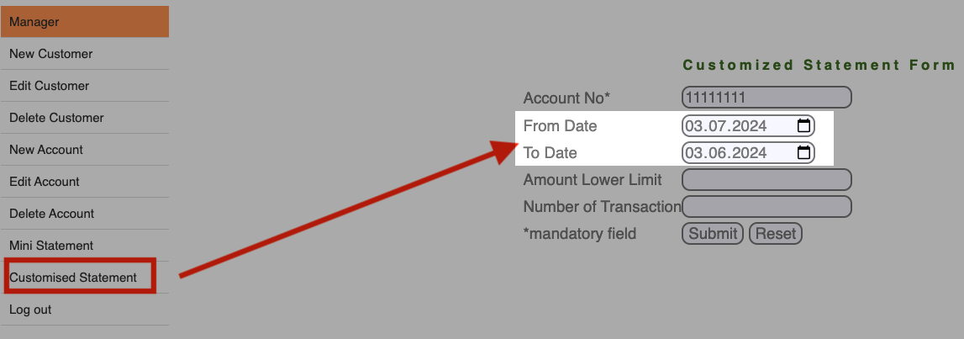
BUG0030 | 2024-07-01 | New | Maria | Minor | "To Date", "From Date" field allows future dates in the "Customized Statement Form" | When entering dates in the "Customized Statement Form," both the "From Date" and "To Date" fields allow future dates, the system does not display the correct validation error. | 1. Open https://demo.guru99.com/V1/index.php. 2. Navigate to the "Customized Statement Form". 3. Enter a "To Date", "From Date" that is a future date (e.g., any date in 2025). 4. Press the button submit | The system should display an error message indicating that the "To Date", "From Date" cannot be in the future. | The system allows submission with a future date in the "To Date" , "From Date" fields, which is illogical for a statement. | MacBook version 14.1, Iphone12, version iSO 17.5.1 | The issue reproduces in all browsers (Chrome Version 126.0.6478.127 (Official Build) (x86_64), Safari, Version 17.1 (19616.2.9.11.7)). | 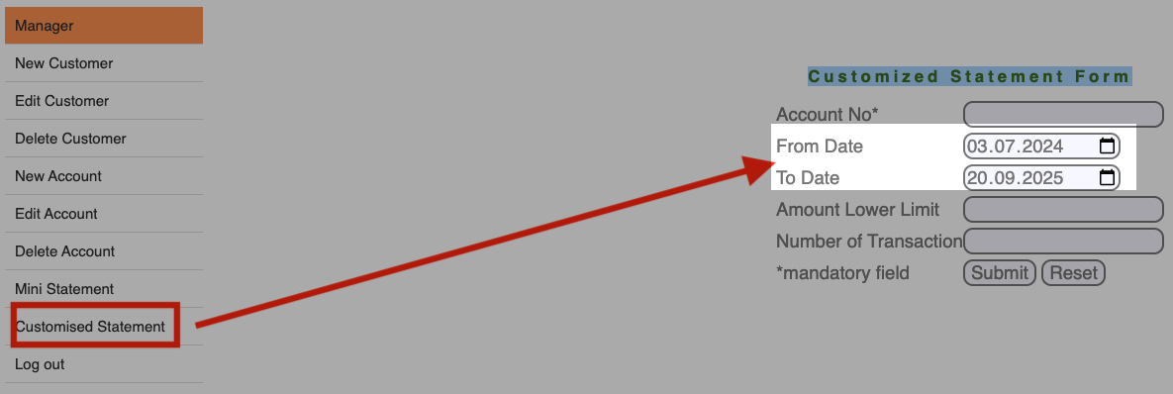
BUG0031 | 2024-07-01 | New | Maria | Minor | "Customized Statement Form" allows non-existent and historically unrealistic dates in "From Date" and "To Date" | When entering dates in the "Customized Statement Form," both the "From Date" and "To Date" fields allow non-existent and historically unrealistic dates, the system does not display the correct validation error. | 1. Open https://demo.guru99.com/V1/index.php. 2. Navigate to the "Customized Statement Form". 3. Enter a "From Date" and "To Date" with non-existent or unrealistic years (e.g., 0001, 1005). 4. Press the button submit | The system should display an error message indicating that the entered dates are invalid or out of an acceptable range. | The system accepts non-existent and unrealistic dates, allowing submission without any validation error. | MacBook version 14.1, Iphone12, version iSO 17.5.1 | The issue reproduces in all browsers (Chrome Version 126.0.6478.127 (Official Build) (x86_64), Safari, Version 17.1 (19616.2.9.11.7)).
BUG0032 | 2024-07-01 | New | Maria | Minor | "Customized Statement Form" allows entry of 6-digit years without validation error in "From Date" and "To Date" | When entering dates in the "Customized Statement Form," specifically in the "From Date" and "To Date" fields, the system allows the input of 6-digit years without displaying a validation error. | 1. Open https://demo.guru99.com/V1/index.php. 2. Navigate to the "Customized Statement Form". 3. Enter a "From Date" and "To Date" with a 6-digit year (e.g., 123456). 4.Press the button submit | The system should display an error message indicating that the year format is invalid and should only allow 4-digit years. | The system accepts 6-digit years and allows submission without any validation error. | MacBook version 14.1, Iphone12, version iSO 17.5.1 | The issue reproduces in all browsers (Chrome Version 126.0.6478.127 (Official Build) (x86_64), Safari, Version 17.1 (19616.2.9.11.7)).
BUG0033 | 2024-07-01 | New | Maria | Minor | "Customized Statement Form" allows non-numeric characters in "Amount Lower Limit" | When entering information into the "Customized Statement Form" in the "Amount Lower Limit" field, the system allows non-numeric characters such as letters, special symbols, and spaces without displaying a validation error. | 1. Navigate to https://demo.guru99.com/V1/index.php. 2. Go to the "Customized Statement Form". 3.Enter non-numeric characters, special symbols, spaces, or letters in the "Amount Lower Limit" ( e.g., W, g, /) 4. Press the button submit | The system should display an error message indicating that only numeric values are allowed in the "Amount Lower Limit" field. | The system accepts non-numeric characters, special symbols, spaces, or letters in the "Amount Lower Limit" field and allows submission without validation error. | MacBook version 14.1, Iphone12, version iSO 17.5.1 | The issue reproduces in all browsers (Chrome Version 126.0.6478.127 (Official Build) (x86_64), Safari, Version 17.1 (19616.2.9.11.7)).
BUG0034 | 2024-07-01 | New | Maria | Minor | "Customized Statement Form" allows non-numeric characters in "Number of Transaction" | When using the "Customized Statement Form" in the "Number of Transaction" field, the system allows non-numeric characters such as letters, special symbols, and spaces without displaying a validation error.. | 1. Navigate to https://demo.guru99.com/V1/index.php. 2. Go to the "Customized Statement Form". 3.Enter non-numeric characters, special symbols, spaces, or letters in the "Number of Transaction" ( e.g., W, g, /) 4. Press the button submit | The system should display an error message indicating that only numeric values are allowed in the "Number of Transaction" field. | The system accepts input without any validation error, allowing letters, special characters, and spaces in the "Number of Transaction" field. | MacBook version 14.1, Iphone12, version iSO 17.5.1 | The issue reproduces in all browsers (Chrome Version 126.0.6478.127 (Official Build) (x86_64), Safari, Version 17.1 (19616.2.9.11.7)).

